Allocation SB 2019
Summary of allocation
of proceeds for the 2019 bond
Breakdown of the total amount invested by asset category
 |  |  |  |  |  |  |  | Bond detail
 |  |  |  |  |  |  |  | ISIN |  | FR0013426426
 |  |  |  |  |  |  |  | Format |  | EMTN Program
 |  |  |  |  |  |  |  | Issuer Ratings |  | Aa2 (Moody’s) / AA (S&P)
 |  |  |  |  |  |  |  | Size |  | € 500m
 |  |  |  |  |  |  |  | Trade date |  | 2019-06-12
 |  |  |  |  |  |  |  | Maturity date |  | 2024-06-19
 |  |  |  |  |  |  |  | Coupon |  | 0.00% annual
 |  |  |  |  |  |  |  | Reoffer spread |  | OAT interpolated + 13 bps (OAT 0 % 2024-03-25 & OAT 0 % 2025-03-25)
 |  |  |  |  |  |  |  | Reoffer yield |  | -0.263%
 |  |  |  |  |  |  |  | Joint bookrunners |  | BNPP, CACIB, HSBC, Natixis, SGCIB
 |  |  |  |  |  |  |  | Listing |  | Euronext Paris

Sectors | Sub-sectors | Typology | Asset (number) | Amount | Total disbursements as of 12/31/2022 | Amounts disbursed in 2023 | Total disbursements as of 12/31/2023 | To be disbursed as of 12/31/2023 | Caisse des dépôts average stake
Infrastructure for production and storage of green energy and heat | Renewable electricity generation | Wind, solar, biomass | 4 | 24.83 | 22.27 | 0.00 | 22.27 | 2.56 | 35% | ü
Green real estate | New construction and renovation | Commercial, Tourism and Tertiary and housing | 19 | 368.87 | 307.94 | 39.95 | 347.89 | 20.98 | 74% | ü
Soil decontamination and site remediation | Soil decontamination | All types of sites | 1 | 40.00 | 32.00 | 0.00 | 32.00 | 8.00 | 16% | ü
Social real estate | Social housing | Fight against inadequate housing | 1 | 6.00 | 6.00 | 0.00 | 6.00 | 0.00 | 13% |  | ü
Social and Solidarity Economy | Social and Solidarity Economy | Investments in any SSE enterprises | 1 | 24.50 | 22.48 | 0.00 | 22.48 | 2.02 | 34% |  | ü
Education and professional insertion | Access to training | Digital and technical training | 2 | 3.15 | 3.05 | 0.00 | 3.05 | 0.10 | 11% |  | ü
Digital infrastructure | Access to digital | Access to digital via fiber optic networks | 2 | 90.64 | 69.94 | 22.64 | 78.16 | 12.47 | 32% |  | ü
Health and social healthcare | Supporting the ageing of the population | Retirement homes | 10 | 38.15 | 34.73 | 1.40 | 36.13 | 2.02 | 40% | ü | ü
Total |  |  | 40 | 596.14 | 498.40 | 63.99 | 547.98 | 48.16 | 43%

Amounts at 12/31/2023 expressed in millions of euros

Detailed list of projects financed by the 2019 sustainability bond
Sectors | Sub-sectors | Typology | Descrpiption |  | Entity | Environmental impact |  | Social and territorial impact |  | Progress of the project | Website link
Infrastructure for production and storage of green energy and heat | Renewable electricity generation | Wind | Wind parc Brinay, Cher (18) -Partnership with JPEE for the financing, construction and operation of the Coulanges wind farm in Brinay in the Cher region, made up of 6 wind turbines of 3 MW |  | Banque des territoires | 18 MW of installed capacity 37 10 MWh produced in 2022 18,148 tCO2eq avoided in 2022 |  | 16,693 people supplied in 2022 with electricity from renewable sources (excluding heating) |  | Operating
 | Renewable electricity generation | Wind | Wind parc Migré, Charente Maritime (17) - Development of a wind farm of 5 wind turbines with FOYE ENERGIES |  | Banque des territoires | 10.25MW of installed capacity 19,325 MWh produced in 2022 5,798 tCO2eq avoided in 2022 |  | 11,000 people supplied in 2022 with electricity from renewable sources (excluding heating) |  | Operating
 | Renewable electricity generation | Solar | Solar parc Saint Eusèbe, Saône-et-Loire (71) - Development of a photovoltaic power plant with BELECTRIV PV 6 |  | Banque des territoires | 10.1MW of installed capacity 12,712 MWh produced in 2022 6,217 tCO2eq eliminated in 2022 |  | 5,719 people supplied in 2022 with electricity from renewable sources (excluding heating) |  | Operating
 | Heat production from renewable sources | Biomass | Biomass cogeneration plant FICA HCPI Bazancourt (51) - Production unit of HPCI® Black Pellets, biofuel, combined with a biomass cogeneration unit. This plant will supply green electricity to Enedis and steam to an industrial company in the area. |  | Banque des territoires | 90 GWh of electricity produced per year 130GWH of thermal energy produced per year in the form of steam and hot wate 12MW of installed capacity |  | 30,000 inhabitants supplied with electricity from renewable sources (excluding heating) 130,000 inhabitants heated from renewable sources |  | Operating
Green real estate | New construction and renovation | Tertiary (New construction) | Citevolia Fleury les Aubrais (45) - Office building of 6,820m², headquarters of the Loiret CCI |  | Banque des territoires | HQE Exceptionnal Collected rainwater for supplying toilets / cleaning premises / watering Green site charter |  | Requalification of the André Dessaux area |  | Operating
 | New construction and renovation | Tertiary (New construction) | IntenCity Grenoble (38) - Tertiary campus of Schneider Electric in Grenoble |  | Banque des territoires | LEED Platinium / BEPOS 4,500 m² of photovoltaic panels 2 wind turbines on the roof gray water recovery |  | 1350 collaborators |  | Operating
 | New construction and renovation | Tertiary (New construction) | Lillenium offices mall Lille (59) - Mixed complex (shops, offices, hotels) of more than 60,000 m² including 4,240 m² of offices. |  | Banque des territoires | BREEAM Very Good |  | Creation of 2,000 jobs thanks to the establishment of major companies |  | Operating
 | New construction and renovation | Tertiary (New construction) | Le Cube Numérique à Alixan (26) - Office building of 3700m² on 4 levels, located in the Rovaltain area of Alixan |  | Banque des territoires | Effinergie BEPOS |  | 14 companies in this building |  | Operating
 | New construction and renovation | Tertiary (New construction) | Arteparc Lille-Lesquin (59) - Business real estate - 1st tertiary park of 3rd generation in the Hauts de France region |  | Banque des territoires | NF Bâtiment tertiaire label HPE Effinergie BEPOS + |  | 45 000 m² of offices |  | Operating
 | New construction and renovation | Tertiary (New construction) | La Duchère Lyon (69) -Spaces are created or redeveloped with great attention paid to natural spaces, biodiversity and the openness of the neighborhood to its surroundings. environment. 10,000 m² of offices as well as 8,750 m² of commercial premises built |  | Banque des territoires | BREEAM Very Good |  | Dating back to the 1960s, the social housing estate of La Duchère had become the poorest and least attractive district of Lyon, marked by a virtual absence of economic activity. The project is part of an objective of modernization and revitalization of the district. |  | Operating
 | New construction and renovation | Tertiary (New construction) | Bureaux neufs Le Racine Strasbourg (67) - 8,500 m² of new offices divided into 3 buildings |  | Banque des territoires | BREEAM Very Good |  | Located in an urban free zone and in a priority district of the city policy |  | Operating
 | New construction and renovation | Tertiary (New construction) | Le Flyer Lyon (69) - Tertiary building accessible and open to its neighborhood, which revolves around two structuring axes: health and economy |  | Banque des territoires | BREEAM Excellent BBC Effinergie 2017 |  | Contribute to the renewal of the district by offering social diversity and services accessible to all: a health center, offices classified ERP dedicated to SSE companies |  | Operating
Green real estate | New construction and renovation | Tertiary (New construction) | Campus Arteparc Sophia Biot (06) - The Arteparc Sophia Campus, with an area of 16,500 m², hosts 3 buildings in R+2, certified HQE 9 stars, of approximately 6,500 m² |  | Banque des territoires | Certification HQE 9 stars Excellent Building A et B : BBC EFFINERGIE 2017 E2 C1 / Building C : BEPOS EFFINERGIE 2017 E3 C1 |  | More than 50 direct and indirect FTEs supported during the construction phase |  | Operating
 | New construction and renovation | Tertiary (New construction) | Quai des Caps Ilot Cap Leeuwin Bordeaux (33) - Real estate business |  | Banque des territoires | BREEAM Very Good |  | 124 housing units |  | Operating
 | New construction and renovation | Tertiary (New construction) | Soho Chapelle International Paris (75) - The SOHOs consist of a new building complex on the ground floor and R+1 of several lots (E, F, G and H) of Small Offices Home Offices representing approximately 8000 m² |  | Banque des territoires | HQE Excellent |  | Reception on this site of activities particularly dedicated to manufacturing, crafts, creative and digital industry, SSE. |  | Operating
...

Allocation SB 2020
of proceeds for the 2020 bond
Summary of allocation
Breakdown of the total amount invested by asset category
 |  |  |  |  |  |  |  | Bond detail
 |  |  |  |  |  |  |  | ISIN |  | FR0013534443
 |  |  |  |  |  |  |  | Format |  | EMTN Program
 |  |  |  |  |  |  |  | Issuer Ratings |  | Aa2 (Moody’s) / AA (S&P)
 |  |  |  |  |  |  |  | Size |  | € 500m
 |  |  |  |  |  |  |  | Trade date |  | 2020-09-08
 |  |  |  |  |  |  |  | Maturity date |  | 2025-09-15
 |  |  |  |  |  |  |  | Coupon |  | 0.01% annual
 |  |  |  |  |  |  |  | Reoffer spread |  | OAT interpolated + 18 bps (OAT 0.5 % 2025-05-25 & OAT 1 % 2025-11-25)
 |  |  |  |  |  |  |  | Reoffer yield |  | -0.403%
 |  |  |  |  |  |  |  | Joint bookrunners |  | CACIB, HSBC, SGCIB, JPM, BOFA, LBP
 |  |  |  |  |  |  |  | Listing |  | Euronext Paris

Sectors | Sub-sectors | Typology | Asset (number) | Amount | Total disbursements as of 12/31/2022 | Amounts disbursed in 2023 | Total disbursements as of 12/31/2023 | To be disbursed as of 12/31/2023 | Caisse des dépôts average stake
Infrastructure for production and storage of green energy and heat | Renewable electricity generation | Wind | 2 | 44.56 | 43.62 | 0.14 | 43.76 | 0.80 | 49% | ü
Green real estate | New construction and renovation | Tourism and Tertiary | 6 | 388.39 | 377.46 | 8.99 | 386.45 | 1.94 | 74% | ü
Infrastructure and services for sustainable mobility | Infrastructure and services for sustainable mobility | Clean rolling stock and refueling infrastructure | 2 | 25.13 | 12.26 | 4.43 | 16.69 | 8.44 | 25% | ü
Digital infrastructure (Eco-efficient datacenters) | Eco-efficient datacenters | Territorial datacenters | 3 | 8.42 | 5.15 | 2.09 | 7.23 | 1.19 | 37% | ü
Digital infrastructure | Access to digital | Access to digital via fiber optic networks | 3 | 41.27 | 20.19 | 20.93 | 41.13 | 0.14 | 28% |  | ü
Health and social healthcare | Supporting the ageing of the population | Retirement homes Senior roommate | 3 | 16.20 | 14.73 | 0.00 | 14.73 | 1.47 | 44% | ü | ü
Total |  |  | 19 | 523.96 | 473.40 | 36.58 | 509.98 | 13.98 | 41%

Amounts at 12/31/2023 expressed in millions of euros
...

Allocation SB 2021
Summary of allocation
of proceeds for the 2021 bond
Breakdown of the total amount invested by asset category
 |  |  |  |  |  |  |  | Bond detail
 |  |  |  |  |  |  |  | ISIN |  | FR0014003RL9
 |  |  |  |  |  |  |  | Format |  | EMTN Program
 |  |  |  |  |  |  |  | Issuer Ratings |  | Aa2 (Moody’s) / AA (S&P)
 |  |  |  |  |  |  |  | Size |  | € 500m
 |  |  |  |  |  |  |  | Trade date |  | 2021-05-25
 |  |  |  |  |  |  |  | Maturity date |  | 2026-06-01
 |  |  |  |  |  |  |  | Coupon |  | 0.01% annual
 |  |  |  |  |  |  |  | Reoffer spread |  | OAT interpolated + 13 bps (OAT 0% 2026-02-25 & OAT 0.25% 2026-11-25)
 |  |  |  |  |  |  |  | Reoffer yield |  | -0.234%
 |  |  |  |  |  |  |  | Joint bookrunners |  | BNPP, DB, LBP, SG
 |  |  |  |  |  |  |  | Listing |  | Euronext Paris

Sectors | Sub-sectors | Typology | Asset (number) | Amount | Total disbursements as of 12/31/2022 | Amounts disbursed in 2023 | Total disbursements as of 12/31/2023 | To be disbursed as of 12/31/2023 | Caisse des dépôts average stake
Infrastructure for production and storage of green energy and heat | Renewable electricity generation | Wind, solar, biomass | 7 | 17.35 | 13.01 | 2.42 | 15.43 | 1.92 | 42% | ü
Green real estate | New construction and renovation | Tourism and Tertiary | 6 | 306.71 | 259.34 | 19.16 | 278.50 | 28.22 | 75% | ü
Infrastructure and services for sustainable mobility | Infrastructure and services for sustainable mobility | Clean rolling stock and refueling infrastructure | 4 | 9.60 | 6.12 | 3.31 | 9.43 | 0.18 | 20% | ü
Digital infrastructure | Access to digital | Access to digital via fiber optic networks | 5 | 162.90 | 137.56 | 10.92 | 148.48 | 14.42 | 33% |  | ü
Social and Solidarity Economy | Social and Solidarity Economy | Professional reintegration, revitalization of rural areas | 2 | 2.09 | 2.09 | 0.00 | 2.09 | 0.00 | 6% |  | ü
Health and social healthcare | Supporting the ageing of the population | Senior roommate, services in EHPAD | 2 | 9.02 | 8.62 | 0.00 | 8.62 | 0.40 | 31% |  | ü
 | Supporting the ageing of the population | Retirement homes | 1 | 10.31 | 9.60 | 0.71 | 10.31 | 0.00 | 49% | ü | ü
Total |  |  | 27 | 517.99 | 436.35 | 36.51 | 472.85 | 45.14 | 37%
...

Allocation SB 2022
of proceeds for the 2022 bond
Summary of allocation
Breakdown of the total amount invested by asset category
 |  |  |  |  |  |  |  | Bond detail
 |  |  |  |  |  |  |  | ISIN |  | FR001400DCH4
 |  |  |  |  |  |  |  | Format |  | EMTN Program
 |  |  |  |  |  |  |  | Issuer Ratings |  | Aa2 (Moody’s) / AA (S&P)
 |  |  |  |  |  |  |  | Size |  | € 500m
 |  |  |  |  |  |  |  | Trade date |  | 2022-10-12
 |  |  |  |  |  |  |  | Maturity date |  | 2027-11-25
 |  |  |  |  |  |  |  | Coupon |  | 3.00% annual
 |  |  |  |  |  |  |  | Reoffer spread |  | OAT interpolated + 57 bps ( OAT 0% 2027-02-25 & OAT 0.75% 2028-02-25 )
 |  |  |  |  |  |  |  | Reoffer yield |  | 3.053%
 |  |  |  |  |  |  |  | Joint bookrunners |  | CACIB, JPM, LBP, Natixis, NM NV, SG
 |  |  |  |  |  |  |  | Listing |  | Euronext Paris

Sectors | Sub-sectors | Typology | Asset (number) | Amount | Total disbursements as of 12/31/2022 | Amounts disbursed in 2023 | Total disbursements as of 12/31/2023 | To be disbursed as of 12/31/2023 | Caisse des dépôts average stake
Infrastructure for production and storage of green energy and heat | Renewable electricity generation | Wind, solar, biomass | 3 | 136.87 | 33.75 | 1.34 | 35.09 | 101.78 | 46% | ü | ü
Green real estate | New construction and renovation | Tourism, Tertiary and Housing | 3 | 147.34 | 104.26 | 27.47 | 131.73 | 15.61 | 99% | ü | ü
Infrastructure and services for sustainable mobility | Infrastructure and services for sustainable mobility | Clean rolling stock and refueling infrastructure | 5 | 73.07 | 28.68 | 18.45 | 47.13 | 25.94 | 58% | ü | ü
Soil decontamination and site remediation | Soil decontamination | All types of sites | 1 | 75.00 | 38.77 | 10.10 | 48.86 | 26.14 | 25% |  | ü
Food transition | Food transition | Organic farming, circular economy | 3 | 1.77 | 1.77 | 0.00 | 1.77 | 0.00 | 33% |  | ü
Digital infrastructure | Access to digital | Access to digital via fiber optic networks | 6 | 120.65 | 110.35 | 0.00 | 113.47 | 7.17 | 33% |  |  | ü
Health and social healthcare | Supporting the ageing of the population | Retirement homes | 3 | 17.05 | 4.56 | 4.46 | 9.02 | 8.04 | 49% |  |  | ü
Education and professional insertion | Access to training | Training platforms | 2 | 1.90 | 1.80 | 0.10 | 1.90 | 0.00 | 10% |  |  | ü
Social and Solidarity Economy | Social housing | Social real estate | 1 | 5.00 | 2.00 | 3.00 | 5.00 | 0.00 | 18% |  |  | ü
...

Allocation SB 2023-1
Summary of allocation
of proceeds for the 2023-1 (may) bond
Breakdown of the total amount invested by asset category
 |  |  |  |  |  |  |  | Bond detail
 |  |  |  |  |  |  |  | ISIN |  | FR001400I3M4
 |  |  |  |  |  |  |  | Format |  | EMTN Program
 |  |  |  |  |  |  |  | Issuer Ratings |  | Aa2 (Moody’s) / AA (S&P)
 |  |  |  |  |  |  |  | Size |  | € 500m
 |  |  |  |  |  |  |  | Trade date |  | 2023-05-23
 |  |  |  |  |  |  |  | Maturity date |  | 2028-05-25
 |  |  |  |  |  |  |  | Coupon |  | 3.00% annual
 |  |  |  |  |  |  |  | Reoffer spread |  | OAT 2028-05-25 +27 bps
 |  |  |  |  |  |  |  | Reoffer yield |  | 3.102%
 |  |  |  |  |  |  |  | Joint bookrunners |  | BNP, CACIB, DB, JPM, LBP
 |  |  |  |  |  |  |  | Listing |  | Euronext Paris

Sectors | Sub-sectors | Typology | Asset (number) | Amount | Total disbursements as of 12/31/2022 | Amounts disbursed in 2023 | Total disbursements as of 12/31/2023 | To be disbursed as of 12/31/2023 | Caisse des dépôts average stake
Infrastructure for production and storage of green energy and heat | Renewable electricity generation | Wind, solar | 2 | 23.00 | 7.15 | 2.04 | 9.19 | 13.81 | 44% | ü | ü
Green real estate | New construction and renovation | Tertiary and Housing | 4 | 127.57 | 58.82 | 6.89 | 65.72 | 61.85 | 45% | ü | ü
Infrastructure and services for sustainable mobility | Infrastructure and services for sustainable mobility | Clean rolling stock and refueling infrastructure | 2 | 170.00 | 45.51 | 2.02 | 30.57 | 139.43 | 100% | ü | ü
Soil decontamination and site remediation | Soil decontamination | All types of sites | 1 | 50.00 | 0.22 | 1.78 | 2.00 | 48.00 | 25% |  | ü
Food transition | Food transition | Circular economy | 1 | 6.50 | 2.29 | 0.68 | 2.97 | 3.53 | 11% |  | ü
Digital infrastructure | Access to digital | Access to digital via fiber optic networks | 3 | 131.43 | 123.62 | 0.00 | 123.62 | 7.81 | 17% |  |  | ü
Health and social healthcare | Supporting the ageing of the population | Retirement homes | 1 | 9.46 | 7.14 | 1.61 | 8.75 | 0.71 | 49% |  |  | ü
Social and Solidarity Economy | Social housing | SSE | 1 | 21.28 | 10.84 | 4.56 | 15.40 | 5.88 | 15% |  |  | ü
Total |  |  | 15 | 539.24 | 255.59 | 19.57 | 258.21 | 281.03 | 41%
...

Allocation SB 2023-2
Summary of allocation
of proceeds for the 2023-2 (october) bond
Breakdown of the total amount invested by asset category
 |  |  |  |  |  |  |  | Bond detail
 |  |  |  |  |  |  |  | ISIN |  | FR001400LFC1
 |  |  |  |  |  |  |  | Format |  | EMTN Program
 |  |  |  |  |  |  |  | Issuer Ratings |  | Aa2 (Moody’s) / AA (S&P)
 |  |  |  |  |  |  |  | Size |  | € 500m
 |  |  |  |  |  |  |  | Trade date |  | 2023-10-11
 |  |  |  |  |  |  |  | Maturity date |  | 2030-11-25
 |  |  |  |  |  |  |  | Coupon |  | 3.375% annual
 |  |  |  |  |  |  |  | Reoffer spread |  | OAT 2030-11-25 +28 bps
 |  |  |  |  |  |  |  | Reoffer yield |  | 3.387%
 |  |  |  |  |  |  |  | Joint bookrunners |  | Barclays, CACIB, Commerzbank AG, LBP, Natixis
 |  |  |  |  |  |  |  | Listing |  | Euronext Paris

Sectors | Sub-sectors | Typology | Asset/Loan (number) | Amount | Total disbursements as of 12/31/2022 | Amounts disbursed or amortized in 2023 | Total disbursements as of 12/31/2023 | To be disbursed as of 12/31/2023 | Caisse des dépôts average stake
Green real estate | New construction | Housing, tertiary | 3 | 127.60 | 86.24 | 4.30 | 90.54 | 37.07 | 46% | ü | ü
Digital infrastructure | Acces to digital | Access to digital via fiber optic networks | 4 | 95.98 | 90.27 | 0.00 | 90.27 | 5.71 | 17% |  |  | ü
Social real estate | Social housing | Thermal rehabilitation of social housing | 1 | 215.80 | 215.80 | -26.07 | 189.73 | 0.00 | 100% |  |  | ü
Social real estate | Social housing | Support for the construction of social housing | 1 | 190.32 | 190.32 | -14.72 | 175.61 | 0.00 | 100% |  |  | ü
Health and social healthcare | Supporting the ageing of the population | Retirements homes | 1 | 11.03 | 6.18 | 1.23 | 7.40 | 3.63 | 49% |  |  | ü
Total |  |  | 10 | 640.73 | 588.81 | -35.26 | 553.55 | 46.40 | 41%

Detailed list of projects financed by the october 2023 sustainability bond
...

Allocation summary
of proceeds
Summary of allocation

Details of the 6 sustainability bonds in circulation
Year | SB 2019 |  | SB 2020 |  | SB 2021 |  | SB 2022 |  | SB 2023-1 (may) |  | SB 2023-2 (october)
ISIN | FR0013426426 |  | FR0013534443 |  | FR0014003RL9 |  | FR001400DCH4 |  | FR001400I3M4 |  | FR001400LFC1
Format | EMTN Program |  | EMTN Program |  | EMTN Program |  | EMTN Program |  | EMTN Program |  | EMTN Program
Issuer ratings | Aa2 (Moody’s) / AA (S&P) |  | Aa2 (Moody’s) / AA (S&P) |  | Aa2 (Moody’s) / AA (S&P) |  | Aa2 (Moody’s) / AA (S&P) |  | Aa2 (Moody’s) / AA (S&P) |  | Aa2 (Moody’s) / AA (S&P)
Size | €500m |  | €500m |  | €500m |  | €500m |  | €500m |  | €500m
Trade date | 2019-06-12 |  | 2020-09-08 |  | 2021-05-25 |  | 2022-10-12 |  | 2023-05-23 |  | 2023-10-11
Maturity rate | 2024-06-19 |  | 2025-09-15 |  | 2026-06-01 |  | 2027-11-25 |  | 2028-05-25 |  | 2030-11-25
Coupon | 0.00% annual |  | 0.01% annual |  | 0.01% annual |  | 3.00% annual |  | 3.00% annual |  | 3.375% annual
Reoffer spread | OAT interpolated + 13 bps (OAT 0 % 2024-03-25 & OAT 0 % 2025-03-25) |  | OAT interpolated + 18 bps (OAT 0.5 % 2025-05-25 & OAT 1 % 2025-11-25) |  | OAT interpolated + 13 bps (OAT 0% 2026-02-25 & OAT 0.25% 2026-11-26) |  | OAT interpolated + 57 bps (OAT 0% 2027-02-25 & OAT 0.75% 2028-02-25) |  | OAT 2028-05-25 +27 bps |  | OAT 2030-11-25 +28 bps
Reoffer yield | -0.263% |  | -0.403% |  | -0.234% |  | 3.053% |  | 3.102% |  | 3.387%
Joint bookrunners | BNPP, CACIB, HSBC, Natixis, SGCIB |  | CACIB, HSBC, SGCIB, JPM, BOFA, LBP |  | BNPP, DB, LBP, SG |  | CACIB, JPM, LBP, Natixis, NM NV, SG |  | BNP, CACIB, DB, JPM, LBP |  | Barclays, CACIB, Commerzbank AG, LBP, Natixis

 |  |  |  |  |  |  |  |  | ü
Sectors | Entity | Asset/Loan portfolio (number) | Amount | Total disbursements as of 12/31/2022 | Amounts disbursed or amortized in 2023 | Total disbursements as of 12/31/2023 | To be disbursed as of 12/31/2023 | Caisse des dépôts average stake
Infrastructure for production and storage of green energy and heat | Banque des territoires | 18 | 246.60 | 119.80 | 5.93 | 125.73 | 120.88 | 48% | 18 | 0
 |  |  |  | 1,194.06 | 106.76 | 1,300.81 | 165.67 | 72% | 41 | 0
138
projects
&
€3,4bn
invested
 |  |  |  | 92.57 | 28.20 | 103.82 | 173.98 | 79% | 13 | 0
 |  |  |  | 70.99 | 11.88 | 82.86 | 82.14 | 23% | 3 | 0
 |  |  |  | 4.07 | 0.68 | 4.75 | 3.53 | 16% | 4 | 0
 |  |  |  | 5.15 | 2.09 | 7.23 | 1.19 | 37% | 3 | 0
 |  |  |  | 551.93 | 54.49 | 595.13 | 47.73 | 27% | 0 | 23
 |  |  |  | 412.12 | -40.79 | 371.34 | 0.00 | 99% | 0 | 3
 |  |  |  | 4.86 | 0.10 | 4.96 | 0.10 | 11% | 0 | 4
 |  |  |  | 85.55 | 9.41 | 94.96 | 16.27 | 44% | 14 | 21
Social and Solidarity Economy | Banque des territoires | 5 | 52.88 | 37.41 | 7.56 | 44.97 | 7.90 | 24% | 0 | 5
Total |  | 138 | 3,396.73 | 2,578.49 | 186.30 | 2,736.55 | 619.39 | 61% | 96 | 56

Amounts at 12/31/2023 expressed in millions of euros
Breakdown of the total amount invested by asset category

 |  | social projects | 1,224.14
 |  | green projects | 2,172.59
Infrastructure for production and storage of green energy and heat | 246604852.79
Green real estate | 1466481037.78
Infrastructure and services for sustainable mobility | 277804033.87
Soil decontamination and site remediation | 165000000.00
Food transition | 8272498.79
Digital infrastructure (Eco-efficient datacenters) | 8424700.00
Digital infrastructure | 642858541.17
Social real estate | 412121959.78
Education and professional insertion | 5053935.88
Health and social healthcare | 111228829.70
Social and Solidarity Economy | 52876259.48

SDG contribution
Sustainable development goals targeted
by asset class
 |  |  |  |  |  |  |  |  | Prioritary SDG |  | Significant SDG

 | 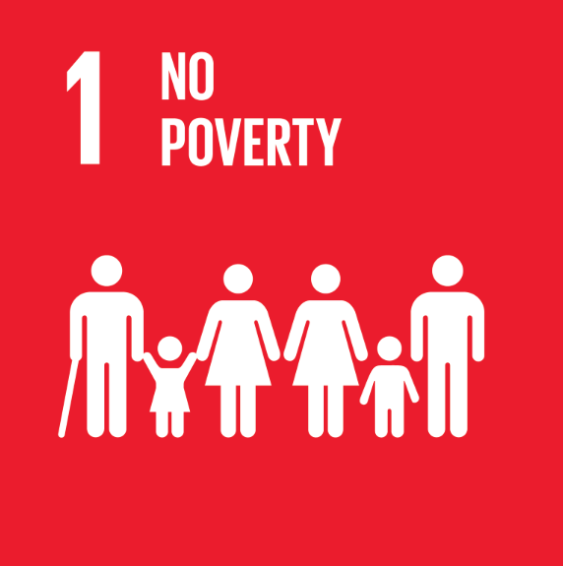 SDG 1 | 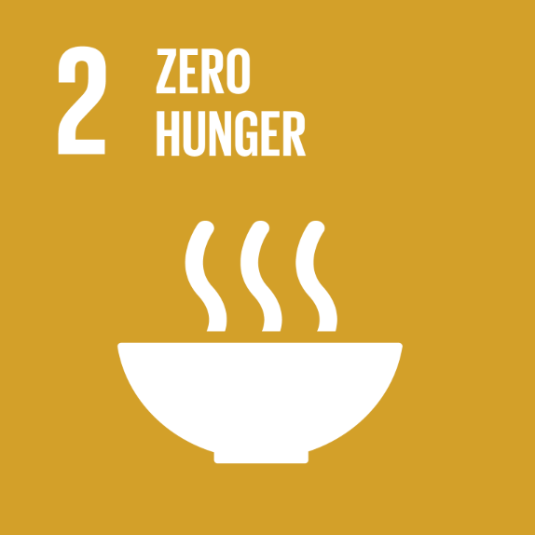 SDG 2 | SDG 3 | SDG 4 | 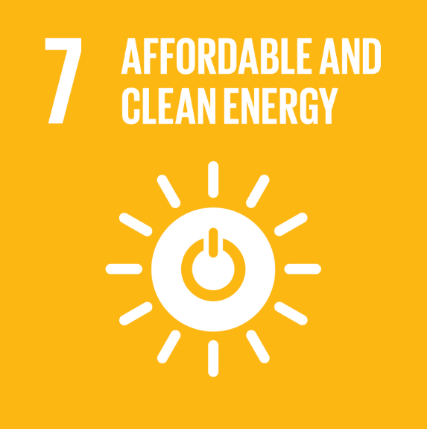 SDG 7 | 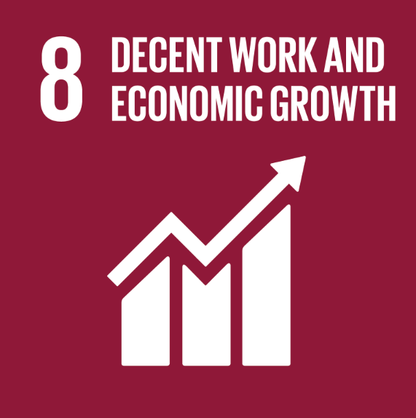 SDG 8 | SDG 9 | 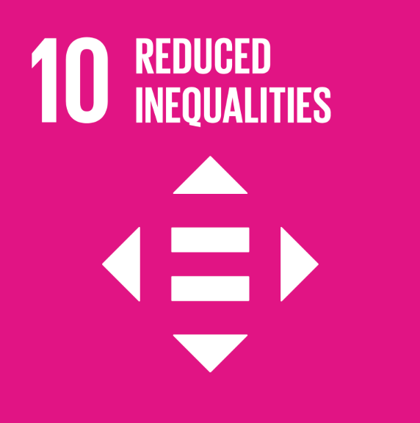 SDG 10 | 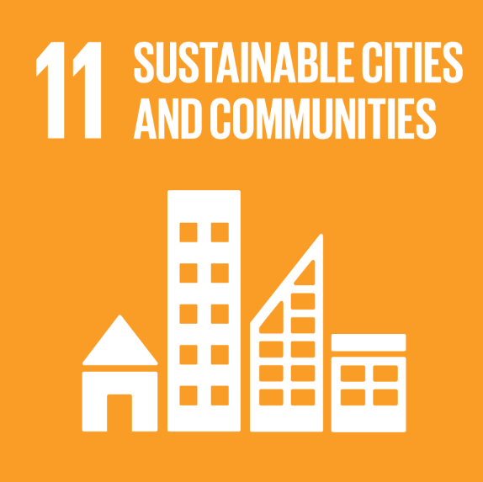 SDG 11 | 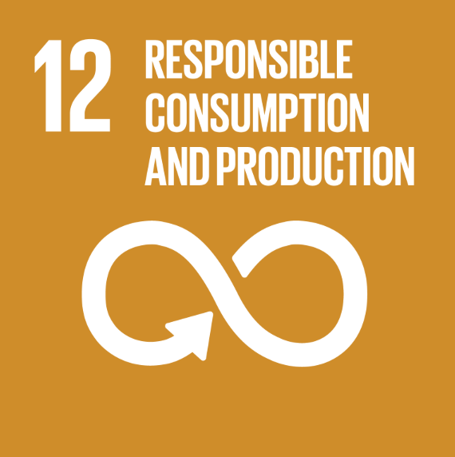 SDG 12 | 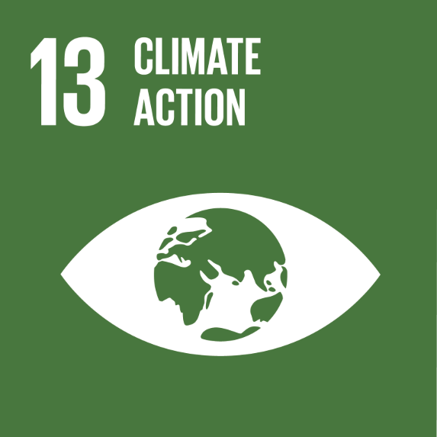 SDG 13 | 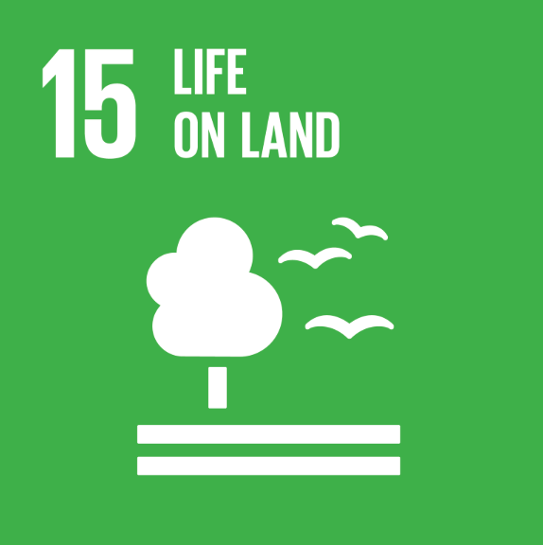 SDG 15
Amounts invetsed | 465.0 | 8.3 | 111.2 | 5.1 | 1,713.1 | 1,213.1 | 929.1 | 1,304.8 | 1,750.3 | 8.3 | 1,713.1 | 173.3
Infrastructure for production and storage of green energy and heat |  |  |  |  | 1 |  |  |  |  |  | 1
Green real estate |  |  |  |  | 1 |  |  |  | 1 |  | 1
Infrastructure and services for sustainable mobility |  |  |  |  |  |  | 1 |  | 1
Soil decontamination and site remediation |  |  |  |  |  |  |  |  |  |  |  | 1
Food transition |  | 1 |  |  |  |  |  |  |  | 1 |  | 1
Digital infrastructure (Eco-efficient datacenters) |  |  |  |  |  |  | 1
Digital infrastructure |  |  |  |  |  | 1 | 1 | 1
Social real estate | 1 |  |  |  |  |  |  | 1 | 1
...

