List of SBs and projects
 |  | Detailed list of SB and projects

Detail of the 6 Sustainability Bonds in circulation
Year | SB May 2021 | SB October 2022 | SB May 2023 | SB October 2023 | SB April 2024 | SB October 2025
ISIN | FR0014003RL9 | FR001400DCH4 | FR001400I3M4 | FR001400LFC1 | FR001400PU76 | FR0014013G74
Serial number | S339-1 | S355-1 | S376-1 | S380-1 | S387-1 | S428-1
Format | EMTN Program | EMTN Program | EMTN Program | EMTN Program | EMTN Program | EMTN Program
Size | €500m | €500m | €500m | €500m | €1md | €1md
Trade date | 2021-05-25 | 2022-10-12 | 2023-05-23 | 2023-10-11 | 2024-04-25 | 2025-10-09
Maturity date | 2026-06-01 | 2027-11-25 | 2028-05-25 | 2030-11-25 | 2029-05-25 | 2030-10-16
Annual coupon | 0.01% | 3.00% | 3.00% | 3.38% | 3.00% | 2.75%
Reoffer spread | OAT interpolated + 13 bps (OAT 0% 2026-02-25 & OAT 0.25% 2026-11-26) | OAT interpolated + 57 bps (OAT 0% 2027-02-25 & OAT 0.75% 2028-02-25) | OAT 2028-05-25 +27 bps | OAT 2030-11-25 +28 bps | OAT 0,5% May 2029 + 16 bps | OAT interpolated + 8 bps (OAT 2.750% 2030-02-25 & OAT 2,70% 2031-02-25)
Reoffer yield | -0.234% | 3.053% | 3.102% | 3.387% | 3.036% | 2.811%
Joint bookrunners | BNPP, DB, LBP, SG | CACIB, JPM, LBP, Natixis, Nawest, SG | BNPP,CACIB, DB, JPM, LBP | Barclays, CACIB, Commerzbank AG, LBP, Natixis | BNPP, Citigroup, Commerzbank AG, LBP, SG | Citigroup, CACIB, LBP, Morgan Stanley, Natixis
Security Name (Bloomberg) | CDCEPS 0.01 06/01/26 | CDCEPS 3 11/25/27 | CDCEPS 3 05/25/28 | CDCEPS 3 3/8 11/25/30 | CDCEPS 3 05/25/29 | CDCEPS 2 ¾ 10/16/30
Detail of projects supporte by CDC Sustainability Bonds
Environmental/Social Projects | SB's Year | Sector | Typology | Description | Entity | Environmental impact (estimated data at commitment) | Social and territorial impact (estimated data at commitment) | Progress of the project | Website link
Social project | SB May 2021 | Access to digital | Public Initiative Network (PIN) | Berry THD in Indre (36) et Cher (18) - Design, establishment, operation, marketing and financing of high-speed public initiative networks in Indre and Cher territories. | Banque des territoires |  | Objective of very high speed coverage of the territory concerned: 100% 240,000 lines connected by 2025 Nearly 600 companies and public sites already connected | Operating | https://berryfibreoptique.fr/
Social project | SB May 2021 | Access to digital | Public Initiative Network (PIN) | Tintamarre in Saint-Martin (978) -Complete burial of the electronic telecommunications network on the island of Saint-Martin (978), previously aerial and almost entirely destroyed during the 2017 hurricane season. | Banque des territoires |  | Objective to cover 100% of Saint-Martin households in Very High Speed, against 16% currently By the end of 2023, 72,023 meters of ducts will be buried | In construction | https://www.banquedesterritoires.fr/tintamarre-reconstruction-genie-civil-st-martin
Social project | SB May 2021 | Access to digital | Public Initiative Network (PIN) | BFC Fibre - Project company in charge of operating, marketing and financing the very high-speed public initiative network in the 5 departments of the Bourgogne Franche-Compté region. Concession (DSP) of 15 years. | Banque des territoires |  | THD coverage of the territory : 100% Training courses throughout the duration of the project Total fleet of approximately 388 000 FTTH lines | Operating | https://bfcfibre.fr/
Social project | SB May 2021 | Access to digital | Public Initiative Network (PIN) | Mayenne Fibre -Project company in charge of operating, marketing and financing the very high-speed public initiative network in the department of Mayenne (53) Concession (DSP) of 20 years | Banque des territoires |  | THD coverage of the territory : 100% Training courses throughout the duration of the project Total fleet of approximately 115 000 FTTH lines | Operating | https://www.mayenne-fibre.fr/
Social project | SB May 2021 | Access to digital | Public Initiative Network (PIN) | Charente-Maritime THD -Project company in charge of operating, marketing and financing the very high-speed public initiative network in the department of Charente-Maritime (17). Concession (DSP) of 25 years. | Banque des territoires |  | THD coverage of the territory : 100% Training courses throughout the duration of the project Total fleet of approximately 270 000 FTTH lines | Operating | https://www.charentemaritimetreshautdebit.fr/
Social project | SB October 2022 | Access to digital | Public Initiative Network (PIN) | Gironde THD in Gironde (33) -Design, establishment, operation, marketing and financing of high-speed public initiative networks in Gironde territories | Banque des territoires |  | Coverage objective of the concerned territories: 100% Training courses planned throughout the duration of the project 476,000 connectable FTTH lines | Operating | https://www.girondetreshautdebit.fr/
Social project | SB October 2022 | Access to digital | Public Initiative Network (PIN) | Var THD in Var (83) - Design, establishment, operation, marketing and financing of high-speed public initiative networks in Var territories | Banque des territoires |  | Coverage objective of the concerned territories: 100% Training courses planned throughout the duration of the project 344 975 connectable FTTH lines | Operating | https://www.vartreshautdebit.fr/qui-sommes-nous/partenaire
Social project | SB October 2022 | Access to digital | Public Initiative Network (PIN) | Orne Département THD in Orne (61) - Design, establishment, operation, marketing and financing of high-speed public initiative networks in Orne territories | Banque des territoires |  | Coverage objective of the concerned territories: 100% Training courses planned throughout the duration of the project 74 233 connectable FTTH lines | Operating | https://www.ornedepartementthd.fr/tres_haut_debit_qui-sommes-nous_la-societe-de-projet.phtml
Social project | SB October 2022 | Access to digital | Public Initiative Network (PIN) | Ariège THD in Ariège (09) - Design, establishment, operation, marketing and financing of high-speed public initiative networks in Ariège territories | Banque des territoires |  | Coverage objective of the concerned territories: 100% Training courses planned throughout the duration of the project 80 024 connectable FTTH lines | Operating | https://www.ariegetreshautdebit.fr/
Social project | SB October 2022 | Access to digital | Public Initiative Network (PIN) | Régie Réunion THD at the Réunion (974) - Design, establishment, operation, marketing and financing of high-speed public initiative networks in Réunion territories | Banque des territoires |  | Coverage objective of the concerned territories: 100% Training courses planned throughout the duration of the project 24 000 connectable FTTH lines | Operating | https://reunionthd.re/
Social project | SB October 2022 | Access to digital | Public Initiative Network (PIN) | Moselle Numérique in Moselle (57) - Design, establishment, operation, marketing and financing of high-speed public initiative networks in Moselle territories | Banque des territoires |  | Coverage objective of the concerned territories: 100% Training courses planned throughout the duration of the project 164 925 connectable FTTH lines | Operating | https://www.moselle-numerique.fr/qui-sommes-nous/missions-de-moselle-numerique/
Social project | SB May 2023 | Access to digital | Public Initiative Network (PIN) | Bretagne THD - Project company in charge of operating, marketing and financing the very high-speed public initiative network in the Brittany region. Concession (DSP) of 20 years. | Banque des territoires |  | THD coverage of the territory : 100% Training courses planned throughout the duration of the project Total fleet of approximately 1,256,000 FTTH lines | Operating | https://www.thdbretagne.bzh/
Social project | SB May 2023 | Access to digital | Public Initiative Network (PIN) | Haute-Saône Fibre - Project company in charge of operating, marketing and financing the very high-speed public initiative network in the Haute-Saône department, Concession (DSP) of 25 years. | Banque des territoires |  | THD coverage of the territory : 100% Training courses planned throughout the duration of the project Total fleet of approximately 1,256,000 FTTH lines | Operating | https://www.hautesaonefibre.fr/
Social project | SB May 2023 | Access to digital | Public Initiative Network (PIN) | Yana Fibre - Project company in charge of operating, marketing and financing the very high-speed public initiative network in French Guiana. Concession (DSP) of 25 years. | Banque des territoires |  | THD coverage of the territory : 100% Training courses planned throughout the duration of the project Total fleet of around 35,000 FTTH lines. | Operating | https://www.yanafibre.fr/
Social project | SB October 2023 | Access to digital | Public Initiative Network (PIN) | Alliance THD -Project company in charge of operating, marketing and financing the very high-speed public initiative network in the departments of Averon (12), Lot (46) and Lozère (48). Concession (DSP) of 25 years. | Banque des territoires |  | THD coverage of the territory : 100% Training courses throughout the duration of the project Total fleet of approximately 350 000 FTTH lines | Operating | https://alliancetreshautdebit.fr/
Projet social | SB October 2022 | Social and territorial cohesion | Training platforms | MASKOTT - Maskott has been developing a learning platform since 2013 that combines a "learning management system" (LMS) solution coupled with a tool for creating and managing educational content CMS for primary and secondary school teachers | Banque des territoires |  | 8 million cumulative users since its creation 1 REP/+ middle school out of 4 uses Maskott's Tactileo platform School results improved by 20 to 25% | Ongoing collective procedure | https://www.maskott.com/
Social project | SB October 2022 | Social and territorial cohesion | Training platforms | Plateforme Myfuture - Social enterprise that connects young people and professionals through internship offers, work-study programs and the discovery of live professions. The objective is to promote equal opportunities in training through the creation of digital tools | Banque des territoires |  | 11,000 registered users / 8,000 internship offers submitted 55% of young people registered on the MyFuture platform are educated in REP/+ establishments and/or from political districts of the city and/or in rural areas | Operating | https://myfutu.re/
Social project | SB May 2021 | Social and territorial cohesion | Professional integration | Homnia (ESUS) - Homnia offers a housing solution combining in the same building shared accommodation for people with severe disabilities and social housing. This innovative hybrid system contributes to the stability of the economic model and reinforces the social impact of the project | Banque des territoires | More than 350 people with disabilities accommodated by 2024 470 jobs created in 2024 Target of 550 people in low-income housing in 2024 | 'More than 350 people with disabilities accommodated by 2024 | Operating | https://www.groupeidees.fr/
Social project | SB May 2021 | Social and territorial cohesion | SSE Revitalization of rural areas | Comptoir de campagne in France - Network of multi-service counters in the service of sustainable development. CdeC stores sell local products in short circuits, local services and also offer a range of snacks | Banque des territoires |  | Revitalization of rural areas In favor of the circular economy Creation of non-relocatable jobs ESUS label | Ongoing collective procedure | https://www.banquedesterritoires.fr/comptoir-de-campagne-leve-plus-de-34-meu-pour-accelerer-le-developpement-de-son-reseau-de-commerces
Social project | SB May 2023 | Social and territorial cohesion | SSE | France Impact investissement - The France 2i fund, managed by RAISE Impact, is dedicated to investing in growing and profitable Small and Mid Cap companies with a positive environmental and/or social impact. RAISE Impact has developed a proprietary and unique methodology to measure the contribution of companies to the Sustainable Development Goals. Fund classified article 9 of SFDR. | Banque des territoires |  | Access to health care, reduction of inequalities Access to decent jobs | Operating | https://www.raise.co/activites/raise-impact
Environmental project | SB October 2022 | Soil decontamination | All types of sites | Fonds Ginkgo 3 (FPCI) -The aim is to acquire polluted sites with strong redevelopment potential and to develop them. This investment must support the efforts of local authorities to develop polluted wasteland | Banque des territoires | Impact on public health through the decontamination of sites Fight against the artificialization of new soils | Revitalization and revival of activity for depollution and construction players, freeing up land for development projects blocked due to the costs of rehabilitation and soil decontamination | 100% in the process of decontamination | https://www.banquedesterritoires.fr/edmond-de-rothschild-private-equity-et-la-banque-des-territoires-investisseur-de-reference-de
Environmental project | SB May 2023 | Soil decontamination | All types of sites | Brownfiels 4 - The purpose of the fund is to acquire brownfields, industrial or tertiary, mainly held in France (at least 65% of investments), with strong redevelopment potential. | Banque des territoires | Public health impact through site decontamination Fight against the artificialization of new soils | Revitalization and relaunch of activity for pollution control and construction sector stakeholders, unlocking land for development projects stalled due to soil remediation and decontamination costs. | Investment phase | https://brownfields.fr/
Social project | SB October 2023 | Social real estate | Thermal rehabilitation of social housing | PAM loan, fix edrate -As part of the Housing Plan, PAM loans are intended to finance energy renovation work in social housing. They are thus essentially reserved for social housing organisations, in addition to an Eco-loan. | Banque des territoires | Reduction of primary energy demand by at least 40% | 226 loans made in the 2nd half of 2021 13 274 housing units renovated | Operating | https://www.banquedesterritoires.fr/produits-services/prets-long-terme/pret-pam
Social project | SB October 2023 | Social real estate | Support for the construction of social housing | Booster loan, fixed rate - The Booster loan, reserved for social housing organizations, is dedicated to the financing of social rental housing production, as part of the Housing Plan. The target populations of the funded projects are people in economic and social difficulty with social objectives: the fight against poor housing and access to housing. | Banque des territoires |  | 659 loans 13 619 housing units produced The target populations of the funded projects are individuals facing economic and social difficulties, with social objectives including combating poor housing conditions and improving access to housing | Operating | https://www.banquedesterritoires.fr/produits-services/prets-long-terme/pret-booster
Social project | SB April 2024 | Social real estate | Thermal rehabilitation of social housing | PAM loan, fixed rate -As part of the Housing Plan, PAM loans are intended to finance energy renovation work in social housing. They are thus essentially reserved for social housing organisations, in addition to an Eco-loan. | Banque des territoires | Reduction of primary energy demand by at least 40% | 185 loans 11 894 housing unites renovated | Operating | https://www.banquedesterritoires.fr/produits-services/prets-long-terme/pret-pam
Social project | SB April 2024 | Social real estate | Support for the construction of social housing | Booster loan, fixed rate - The Booster loan, reserved for social housing organizations, is dedicated to the financing of social rental housing production, as part of the Housing Plan. The target populations of the funded projects are people in economic and social difficulty with social objectives: the fight against poor housing and access to housing. | Banque des territoires |  | 898 loans 20 641 housing units concerned The target populations of the funded projects are individuals facing economic and social difficulties, with social objectives including combating poor housing conditions and improving access to housing | Operating | https://www.banquedesterritoires.fr/produits-services/prets-long-terme/pret-booster
Social project | SB October 2025 | Social real estate | Support for the construction of social housing | Equity investments to support the construction of new social housing and the rehabilitation of the existing rental stock, as well as the greening of the City's Neighborhoods. | Banque des territoires | Equity investments in 128 social housing organizations, spread across 14 different regions. |  | Operating | https://www.banquedesterritoires.fr/la-federation-des-offices-publics-de-lhabitat-explique-les-titres-participatifs
Social project | SB May 2021 | Green real estate | Tertiary (New construction) | Ilôt D du Village olympique et paralympique "Les Quinconces" à Saint-Ouen-sur-Seine (93) Real estate complex of more than 48,000 m² intended to accommodate 3,000 athletes from all over the world, thought from its conception in “heritage” mode | Banque des territoires | BBCA / HQE Excellent / BREEAM Very Good Biodivercity label E+ C- : E3 C2 for R+6 housing, E3 C1 for R+9 housing, E2 C1 for offices | As soon as the Olympic games are over, the village will be transformed into a real city district imagined for its inhabitants and anchored in its territory | In construction (2nd phase) | https://www.icade.fr/projets/operations-mixtes/village-des-athletes-secteur-des-quinconces
Environmental project | SB May 2021 | Green real estate | Tertiary (New construction) | Headquarters of Maisons & Cités in Douai (59) The building will be made available to Maisons & Cités and its employees during the second half of 2022 | Banque des territoires | HQE BEPOS E+ C- : E3 C1 Well Silver | Ultimately, the building is expected to accommodate 300 employees | Operating | https://www.maisonsetcites.fr/territoires/territoire-douai/
Environmental project | SB May 2021 | Green real estate | Housing (New construction) | Immeuble #V3 - Saint-Ouen-sur-Seine (93) - Construction of a new office building complex developing approximately 43,327 m². R + 7, capacity of 3,800 people, 373 car parks, 220 motorcycles, bicycle garage | CDC II | Effinergie BBC 2017 (RT 2012 - 40%) E+/C- : E2/C1 HQE Bâtiment durable Neuf 2016 Excellent BREEAM International NC 2016 Excellent WIREDSCORE Silver | Capacity of 3,800 people (11.2m² per person) | Operating | https://france.vinci-construction.com/fr/livraison-du-batiment-rhapsody-au-coeur-du-nouvel-eco-quartier-des-docks-a-saint-ouen-93/
Environmental project | SB May 2021 | Green real estate | Housing (New construction) | 93 rue Petit in Paris (75019) - Former car park restructured into a residential building. Off-plan acquisition of a 5,482 m² operation comprising 88 housings (and 30 parking spaces) located in Paris (75) and developed by EMERIGE | CDC II | RT 2012 - 20% BBC Effinergie + Certification CERQUAL NF Habitat BiodiverCity label (best efforts) | 88 housing units | Operating | https://www.caissedesdepots.fr/sites/default/files/2023-05/CP_93%20Petit_Paris%2019_Livraison_Emerige_Brownfields_France%20Logis_CDC_investissement_immobilier_Inli_310523.pdf
Environmental project | SB May 2021 | Green real estate | Housing (New construction) | O Domaine in Reuil-Malmaison (92) - Off-plan acquisition of 2 residential buildings for a living area of 7,115 m² including 100 apartments and 143 parking spaces | CDC II | RT2012 -20% NF Habitat HQE Excellent BiodiverCity label (best efforts) | 100 housing units | Operating | https://www.caissedesdepots.fr/sites/default/files/2022-01/CP%20CDC%20INVESTISSEMENT%20IMMOBILIER%20EIFFAGE%20LOGEMENT%20RUEIL%20MALMAISON%2029092020.pdf
Environmental project | SB May 2021 | Green real estate | Tertiary (New construction) | Metal 57 in Boulogne (92) - Off-plan acquisition of the future BNP Paribas Real Estate headquarters in Boulogne-Billancourt (36,000 m²) | CDC II | New part: Effinergie + / HQE Sustainable Building Exceptional ; Rehabilitated part: HQE Sustainable Building Excellent / BBC Effinergie Renovation (primary energy consumption RT2012 -40%), BREEAM Bespoke Excellent | Rehabilitation of a former Renault factory, Preservation of the site's historical features | Operating | https://presse.realestate.bnpparibas.fr/bnp-paribas-real-estate-vend-metal-57-son-futur-siege-social-a-cdc-investissement-immobilier-pour-le-compte-de-la-caisse-des-depots-et-des-assurances-du-credit-mutuel/
Environmental project | SB October 2022 | Green real estate | Housing (New construction) | Clichy Ilôt Dupont in Clichy (92) - Off-plan acquisition of a 5,809 m² operation comprising 75 housing units (and 55 parking spaces) located in Clichy (92) and developed by OGIC | CDC II | RT 2012 - 20% Effinergie + Bâtiment Durable Francilien in a construction stage NF HABITAT HQE | 75 housing units | Operating | https://www.caissedesdepots.fr/sites/default/files/2022-01/CP%20CDC%20INVESTISSEMENT%20IMMOBILIER%20LOGEMENT%20CLICHY%2022092020.pdf
Environmental project | SB October 2022 | Green real estate | Housing (New construction) | St Ouen N9 in Saint-Ouen-sur-Seine (93) - Off-plan acquisition of a 19,626 m² operation comprising 227 housing units (and 213 parking spaces) located in Saint-Ouen (93) and developed by EMERIGE | CDC II | RT 2012 - 40% Effinergie + NF Habitat HQE Excellent 7 stars BiodiverCity label | 227 housing units Creation of an eco-district on a former port wasteland | Operating | https://www.groupe-emerige.com/projets/zac-des-docks-de-saint-ouen/
Environmental project | SB October 2022 | Green real estate | Tertiary (New construction) | L'Eveil de Flaubert in Rouen (76) - An office building in R+7 of around 9,000 m² carried by SCI Tanit Various technical solutions will be deployed: the use of biosourced materials, use of geothermal energy for tertiary buildings | Banque des territoires | BREEAM Very Good E+ C- : E3C1 BEPOS Effinergie 2017 BBCA label Conversion of brownfield sites | Nearly 9,000 m² devoted to setting up businesses | Operating | https://www.linkcity.com/projets/grand-ouest-rouen-leveil-de-flaubert/
Environmental project | SB May 2023 | Green real estate | Tertiary (New construction) | Bois Colombe (92) - Off-plan acquisition (VEFA) of a standalone new office building with R+8: 20 275 sqm spread over a ground floor, 8 upper floors, and 2 basement levels. | Banque des territoires | HQE Very High Performance (RT 2012 - 40%), BREEAM Very Good, WireScore Gold Osmoz | It fits into the support strategy for the development of station neighborhoods of the Grand Paris Express led by the Métropole du Grand Paris. | Operating | https://www.banquedesterritoires.fr/la-francaise-real-estate-managers-rem-et-la-banque-des-territoires-acquierent-alphabet-un-immeuble
Environmental project | SB May 2023 | Green real estate | Housing (New construction) | Rosiers - Acquisition of a residential off-plan property (VEFA) covering 11,765 m² in Saint-Ouen (Village des Rosiers), including 3 buildings, 127 parking spaces, and 127 storage units developed by BNP Promotion. | CDC II | Urban Biodiversity Label, Biodivercity NF Habitat HQE Excellent Profile, RT 2012 - 20% | Construction of over 180 housing units | Operating | https://www.caissedesdepots.fr/sites/ms-cdc-fr/files/2025-08/CP_CDC-Investissment-Immobilier_Livraison-Saint-Ouen-Rosiers_2024-11-04.pdf
Environmental project | SB May 2023 | Green real estate | Housing (New construction) | 107 Faubourg - Acquisition of a heavy rehabilitation operation of a former postal sorting center allowing the creation of 48 housing units on a surface area of ​​2,959 m² and 46 parking spaces, in Paris 10th arrondissement. | CDC II | RT 2012 - 20% Certificate: NF HABITAT HQE Label Effinergie BBC | More than 50 housing units | Operating | https://www.cfnewsimmo.net/L-actualite/Transactions/L-ancienne-Poste-Magenta-prend-le-pli-du-residentiel-avec-un-etablissement-public-441869
Environmental project | SB May 2023 | Green real estate | Housing (New construction) | Saint Mandé - Off-plan acquisition of a 2,931 m² operation comprising 37 free apartments, 6 ULS apartments ( social rental usufruct) and 46 parking lots located in Saint Mandé developed by Emerige and Eiffage Immobilier | CDC II | RT 2012 - 20% Certificate: NF HABITAT HQE Label BiodiverCity (seller's best efforts) | Nearly 37 free housing units and 6 housing units in ULS | In construction | https://www.emerige.com/editorial/57-commandant-mouchotte-programme-immobilier-neuf-a-saint-mande?utm_source=qwant&utm_medium=referral&utm_campaign=ai_flash
Environmental project | SB October 2023 | Green real estate | Housing (New construction) | Asnières Altarea - Off-plan acquisition of a 17-storey building, with an overall living area of ​​5,335 m². The building is located in Asnières-sur-Seine (92), in the new eco-district of Seine-Ouest. | CDC II | NF Habitat HQE (RT 2012 - 30 %) Label Effinergie + BiodiverCity | More than 90 housing units | Operating | https://www.caissedesdepots.fr/sites/ms-cdc-fr/files/2025-08/CDC%20Investissement%20Immobilier%20logements%20%C3%A0%20Asni%C3%A8res.pdf
Environmental project | SB October 2023 | Green real estate | Housing (New construction) | Courbevoie - Off-plan acquisition of a 19,496 m² operation over 5 buildings. Located in Courbevoie (92) and developed by EMERIGE | CDC II | NF Habitat HQE (RT 2012 - 20 %) Label Effinergie + Collective heating connected to the urban heating network | Around 295 housing units | Operating | https://www.caissedesdepots.fr/actualites/cdc-investissement-immobilier-295-nouveaux-logements-courbevoie
Environmental project | SB October 2023 | Green real estate | Tertiary (New construction) | AMIENS - Ynsect - The operation concerns the financing of the construction of the "YNFARM 1" factory : 40 000 m². This plant is operated by the Ynsect company which designs and operates industrial breeding processes for the transformation of insects into high-quality proteins for animal nutrition. | Banque des territoires | RT 2012 - 20% for the 2,604m² of equivalent thermal surface 32 332 tCO2 avoided per year | 1000 FTEs created in construction stage, 242 FTEs per year in operation phas | Operating
Environmental project | SB April 2024 | Green real estate | Tertiary | Envision Giga Factory - Quasi-equity investment (subordinated loan with deferred amortization until 2031) in a 9 GWh battery production plant primarily for Renault's electric vehicles. The project includes a main production building, a utilities building, and external developments (parking with over 700 spaces, networks, roads, fencing, etc.). The floor area is 90,000 m². | Banque des territoires | Bream very good | 200 FTEs in construction stage 1,000 FTEs/year in operating stage | In construction | https://www.banquedesterritoires.fr/blog-des-territoires/reindustrialisation-verte-la-banque-des-territoires-participe-au-financement
Environmental project | SB April 2024 | Green real estate | Housing, Tertiary | Commercial and leisure complex Les Docks St Ouen - A real estate complex of 24,400 m² of usable commercial space aiming to develop a lively and bustling neighborhood hub within the iconic redevelopment project of Les Docks de Saint-Ouen (93). | Banque des territoires | Environmental certifications HQE and/or H&E | Creation of 800 direct jobs An additional 4,200 residents above the shops and 8,000 employees directly connected | Operating | https://www.caissedesdepots.fr/actualites/pour-un-veritable-coeur-de-ville-commercial-saint-ouen-sur-seine
Environmental project | SB April 2024 | Green real estate | Housing, Tertiary | The Omnes CEP 2 (Construction Energy Plus) investment in the CEP II fund aims to finance the ecological transition of metropolitan areas by primarily investing in the development and rehabilitation of real estate projects in France (70% target). | Banque des territoires | Omnes' ESG Commitment: https://www.omnescapital.com/our-commitments |  | In construction | https://www.banquedesterritoires.fr/sites/default/files/2023-11/CP%20BANQUE%20DES%20TERRITOIRES%20OMNES%20CAPITAL%2006112023.pdf
Environmental project | SB April 2024 | Green real estate | Housing | Michigan Garden - Acquisition in VEFA of a 2,597 m² residential development in Paris's 13th arrondissement, comprising 37 housing units and developed by Icade. | CDC II | RT 2012 – 30 % certification NF HABITAT HQE excellent, label E+C label Biodivercity | 89 housing units | In construction | https://www.caissedesdepots.fr/sites/ms-cdc-fr/files/2025-08/CP_CDC-Investissement-Immobilier_R%C3%A9sidentiel_75013_04-01-2023.pdf
Environmental project | SB April 2024 | Green real estate | Tertiary | Cortis: Acquisition of an existing 8,000 m² building located at Rue de Courcelles in Paris 17th district, fully leased to Valeo. | CDC II | HQE Exceptionnel E2C1 Effinergie 2017 BREEAM Excellent Wired Score Platinum |  | Operating | https://www.caissedesdepots.fr/sites/ms-cdc-fr/files/2025-08/CP_CDC-Investissement-Immobilier_Tertiaire-Cortis_Paris17_13-11-2023.pdf
Environmental project | SB April 2024 | Green real estate | Tertiary | Ivry 1B - Acquisition of a 30,000 sqm office building developed by Emerige in Ivry (94). The building is connected to the Géotelluence urban heating network and aims for exemplary environmental performance. | CDC II | HQE Bâtiment Durable 2016 v3 (level Excellent) BREEAM NC 2016 (niveau Excellent) Wiredscore (level Gold) E+C- (niveau E2C2), BiodiverCity, OSMOZ et BBC Effinergie 2017 | Support for local authorities, transport operators and industrial and logistics companies in their energy transition | In construction | https://www.groupe-emerige.com/actualites/emerige-cede-a-cdc-investissement-immobilier-un-ensemble-immobilier-de-50-000-m%C2%B2-a-ivry-sur-seine/
Environmental project | SB October 2025 | Green real estate | Tertiary | BATIGNOLLES LOT 09 - Paris Enjoy: Large tertiary asset featuring a unique and innovative mixed structure of wood and concrete, spanning 17,400 m², aligned with the ambitions set by the City of Paris to achieve carbon neutrality by 2050. The building will include 900 m² of coworking spaces, 450 m² of retail, 15,000 m² of offices, 1,000 m² of inter-company restaurant and cafeteria, and 64 parking spaces." | CDC II | BREEAM Very Good, HQE Exceptional BEPOS Effinergie 2013, Bio-based building level 1 |  | Operating | https://www.caissedesdepots.fr/sites/cdc.fr/files/cp_go_enjoy.pdf
Environmental project | SB October 2025 | Green real estate | Housing | GPI Picpus Housing: Large residential asset, with the building permit filed on 10/29/2021, aligned through the completion of an LCA study, the RT2012-40% report, and a commitment to conduct airtightness and thermal integrity tests." | CDC II | NF Habitat HQE Excellent level, Biodivercity, E2C1 , 10737 m² of usable floor area |  | In construction
Environmental project | SB October 2025 | Green real estate | Tertiary | GPI Picpus Tertiary: Large residential asset, with the building permit filed on 10/29/2021, aligned through the RT2012-35% report and a commitment to conduct airtightness and thermal integrity tests, as well as an LCA." | CDC II | HQE construction excellent, BREEAM construction excellent, WiredScore Silver, BiodiverCity, E2C1, 6274 m² of usable space |  | In construction
Environmental project | SB October 2025 | Green real estate | Tertiary | SCI EVI-DANCE: Large tertiary asset, with the building permit filed on 11/27/2019, aligned due to its ranking in the top 15% based on its primary energy surface consumption." | CDC II | HQE Sustainable Building - Excellent level BREEAM - Excellent level Effinergie + BiodiverCity ACAC WiredScore Gold, 7840 m² of usable space |  | Operating
Environmental project | SB October 2025 | Green real estate | Housing | SCI PBEM: PARIS - EMERGENCE: Small residential asset, with the building permit filed on 12/16/2013, aligned through energy consumption data listed on the EPC (No. 2024, valid until 2034), ranking in the top 15% based on its estimated primary energy surface consumption on the EPC. According to the latest climate models, the asset is not significantly vulnerable to climate hazards. VANVES - SAHORS: Small residential asset, with the building permit filed on 07/16/2018, aligned through energy consumption data listed on the EPC (conducted in 2022, valid until 2032), ranking in the top 15% based on its estimated primary energy surface consumption on the EPC. According to the latest climate models, the asset is not significantly vulnerable to climate hazards." | CDC II | E2C1, Biodivercity profile ABBB 5,979 m² of usable surface area |  | Operating
Environmental project | SB October 2025 | Green real estate | Housing | Bella: Large residential building in Denmark, with the building permit filed before 12/31/20, holding an EPC Class A rating. According to the latest climate models, the asset is not significantly vulnerable to climate hazards. Bella (40): Large residential building in Denmark, with the building permit filed before 12/31/20, holding an EPC Class A rating. According to the latest climate models, the asset is not significantly vulnerable to climate hazards." | CDC II | 24 101 m² of usable floor area |  | Operating | https://www.caissedesdepots.fr/eclairage/actualites/premiere-acquisition-copenhague-pour-cdc-investissement-immobilier
Environmental project | SB October 2025 | Green real estate | Housing | APSYS SAGET - Canopia Project APSYS, a committed player in the sustainable transformation of cities, showcases its expertise with Canopia, a flagship urban rehabilitation project in Bordeaux. On a 4-hectare brownfield site between Gare Saint-Jean and the Garonne River, this mixed, green, and innovative district becomes the largest private operation of its kind in France." | Banque des territoires | E2C1 for all building, HQE 6* for residential BREEAM Communities Outstanding The project spans over 70,000 m² of floor space and 13,000 m² of green space to be developed. 6,800 m² of facades will be preserved, reused, or relocated, and 90% of deconstruction materials will be recycled (partnership with Cycle Up). Creation of 1,400 dedicated spaces for cycling mobility, fight against urban heat islands with greening and water features (water mirrors, basins, canals, fountains). | The project also generates employment at all stages of its implementation, during the design phase: 70 jobs will be created, with an additional 300–350 jobs created during the construction phase. The operational phase will, in turn, lead to the creation of 1180 jobs. | In construction | https://www.apsysgroup.com/portfolios/canopia-bordeaux/
Environmental project | SB May 2021 | Renewable electricity generation | Éolien | TOURY ENERGIE - Wind Parc in Toury (28) - Onshore wind farm at Toury (between Chartres and Orléans) in the Centre-Val de Loire region with 4 turbines of 3.45 MW each | Banque des territoires | 13.8 MW of installed power | Production equivalent to the electricity consumption of 15,000 inhabitants (including heating) | Operating | https://bois-du-frou-28.parc-eolien-jpee.fr/
Environmental project | SB May 2021 | Renewable electricity generation | Wind | SAS BRIMBORION ENERGIE - « La Croix de la Mérotte » wind farm in Millac (86) - Onshore wind farm at Millac (between Poitiers and Limoges) in Vienne with 4 turbines of 3 MW each | Banque des territoires | 12,8 MW of installed power | Production equivalent to the electricity consumption of 13,000 inhabitants (excluding heating) | Operating | https://terra-energies.fr/projets/projet-eolien-de-la-croix-de-la-merotte-a-millac-86/
Environmental project | SB May 2021 | Renewable electricity generation | Wind | MILLAC ENERGIE - « La Croix de Chalais » wind farm in Millac (86) - Onshore wind farm at Millac (between Poitiers and Limoges) in Vienne with 4 turbines of 3 MW each | Banque des territoires | 12 MW of installed power | Production equivalent to the electricity consumption of 12,000 inhabitants (including heating) | Operating | https://croix-de-chalais-86.parc-eolien-jpee.fr/
Environmental project | SB May 2021 | Renewable electricity generation | Solar | SOLEIA 39 - Labarde Centre solar park - JPEE - A 27 ha 26.4 MWp photovoltaic power plant, which will be located in Bordeaux, on an old rehabilitated landfill. With an overall installed capacity of 59.3 MWp, the Labarde power plant will become the largest solar power plant on a former landfill in France. | Banque des territoires | 59 MWp of installed power | Production equivalent to the electricity consumption of 3,700 inhabitants (including heating) | Operating | https://labarde-33.centrale-solaire-jpee.fr/
Environmental project | SB May 2021 | Renewable electricity generation | Solar | SOLEIA 32 - La Jolive - Montereau solar park (45) - JPEE - 13.7 ha PV photovoltaic ground plant of 10.22 MWp in Montereau in the Loiret The project called "La Jolive" is located on a former non-hazardous waste storage center completely rehabilitated | Banque des territoires | 10,22 MWp of installed capacity | Production equivalent to the electricity consumption of 26,000 inhabitants (including heating) | Operating | https://jolive-45.centrale-solaire-jpee.fr/
Environmental project | SB May 2021 | Renewable electricity generation | Solar | SOLEIA 34 le Chenon Solar Plant in Villeherviers (41) -JPEE - The Girault solar plant is located in the municipality of Valencisse in the department of Loir-et-Cher, in the Centre-Val de Loire region. Commissioned in 2021. | Banque des territoires | 8.43 MWp of installed power | Production equivalent to the electricity consumption of 3,600 inhabitants (including heating) | Operating | https://valencisse-41.centrale-solaire-jpee.fr/
Environmental project | SB May 2021 | Renewable electricity generation | Biomass | NOVAWOOD - Biomass cogeneration plant- Biomass cogeneration plant located in Laneuveville-Devant-Nancy, on the NOVACARB industrial site, with 14.6 MW.e of electrical power and 67 MW.th of thermal power | Banque des territoires | 14.6MW electricity and 67MW steam | Production of the consumption equivalent of 65,000 housing units (excluding heating) | Operating | https://www.engie-solutions.com/fr/references/centrale-cogeneration-biomasse-novawood
Environmental project | SB October 2022 | Renewable electricity generation | Solar | Solar park of Saucats (33) - Partnership with ENGIE GREEN to invest up to 10% in the SPV which carries the development of a photovoltaic power plant on the ground in Saucats in Gironde (33) | Banque des territoires | 600 MW of installed capacity | 50 FTEs in the construction phase 10 FTEs/year in the operating phase Production of the equivalent of the annual electricity consumption excluding heating of 150,000 households | In construction | https://horizeo-saucats.fr/
Environmental project | SB October 2022 | Renewable electricity generation | Solar | Aphaïa Platform - Ground-mounted solar projects, at different stages of development. The construction should take place between 2022 and 2025, alongside Third Step Energy, a French company specialized in the construction of photovoltaic power plants | Banque des territoires | Installed capacity 1,6 GWc Around 90 projects from 4 to 52 MW of installed capacity Averange capacity per solar power plant of 18 MW | Nearly 400,000 households theoretically supplied Nearly 5,000 FTEs supported in the construction phase | In construction | https://www.banquedesterritoires.fr/tse-la-banque-des-territoires-et-credit-mutuel-capital-prive-scellent-un-partenariat-strategique-au
Environmental project | SB October 2022 | Renewable electricity generation | Wind | CNR Solaire 9 - Wind farms in Vienne (86)and Seine et Marne (77) - Partnership with CN'Air for the acquisition of 3 wind farms called CEBEN, CEHOU and CELAN, with respective powers of 15, 15.4 and 12 MW | Banque des territoires | Installed capacity of 42,5 MW | Production equivalent to the annual consumption of 24,510 households Almost 300 FTEs supported in the construction phase | Operating | https://energiesrenouvelables.cnr.tm.fr/solaire/
Environmental project | SB May 2023 | Renewable electricity generation | Wind | Le Born Pelouse (LBP) -The Le Born Pelouse project (LBP) is a wind project consisting of 8 wind turbines for a total of 28.8 MW, located in Lozère and developed by the company Vents d'Oc within the framework of an AMI launched in 2008. | Banque des territoires | Installed power of 28,8 MW | 18 FTEs created in construction stage 2 FTEs per year in operation phase Production representing the annual consumption of 40 000 households | Operating | https://coeurdelozere.fr/environnement/energies-renouvelables/eolien/eolien-le-born-pelouse/
Environmental project | SB May 2023 | Renewable electricity generation | Solar | Rhonasol - The Rhônasol project aims to solarize the Rhône Valley by deploying photovoltaic energy production sites there. The photovoltaic parks will be located between the Auvergne-Rhône-Alpes, Provence-Alpes Côte d'Azur and Occitanie regions, on the territories of the Rhône Valley, on all the municipalities bordering the river. | Banque des territoires | 1 GWc of photovoltaic projects | 660 direct and indirect jobs created Strong involvement in the governance and responsible practices of the company/partners: right of veto by the CDC on important decisions of the company | Operating | https://www.banquedesterritoires.fr/un-outil-innovant-pour-accelerer-le-deploiement-des-projets-photovoltaiques-en-vallee-du-rhone
Environmental project | SB April 2024 | Renewable electricity generation | Wind/Solar | Helios - Partnership with Générale du Solaire (GDS), focusing on Lot 1 to develop and finance 1 GW of solar projects by 2027 | Banque des territoires | 1 GW of photovoltaic projects | 300,000 households theoretically supplied | Operating | https://www.gdsolaire.com/
Environmental project | SB April 2024 | Renewable electricity generation | Wind/Solar | Calypso-Deployment operation of a partnership platform for onshore wind and photovoltaic solar with the operator VALOREM. Acquisition of a 49% stake in the CALYPSO partnership platform, alongside the developer Valorem (51%) | Banque des territoires | 500 MW of solar and wind power plants by 2027 | In the long term, this represents the consumption of a metropolitan area with nearly 500,000 inhabitants. | Operating | https://www.valorem-energie.com/actualites/la-banque-des-territoires-et-valorem-lancent-calypso-plateforme-strategique-dinvestissement-dedie-aux-energies-renouvelables/
Environmental project | SB October 2025 | Renewable electricity generation | Wind/Solar | JP ENERGY ENVIRONMENT: A French independent renewable energy producer, developing, financing, building, and operating wind farms and solar power plants since 2004. | Banque des territoires | 2030 horizon objective: a production capacity of 2 GW enabling the supply of green electricity to 1.6 million inhabitants by 2030, equivalent to the Lyon metropolitan area. |  | Operating | https://www.jpee.fr/
Environmental project | SB October 2025 | Renewable electricity generation | Wind | CNR SOLAR 10 : 26 wind turbines in France to produce 100% renewable electricity, integrated into the regions and driven by CNR's expertise. | Banque des territoires | 6 projects through 4 SPVs totaling 26 wind turbines for a total capacity of 93 MW. |  | Operating | https://energiesrenouvelables.cnr.tm.fr/solaire/
Environmental project | SB May 2021 | Sustainable transport and mobility | Refueling infrastructure | STATIONS E - Stations-e finances, installs, operates and maintains a network of connected electric vehicle charging infrastructures in Ile-de-France and in the regions | Banque des territoires | Reduction of GHG emissions and local pollutants (NOx, fine particles) Nearly 5,000 tCO2eq avoided by refueling points | Presence in more than 220 cities Vans deployed in 54 stations, available for logistics professionals, merchants and artisans in Paris and open to the public | Operating | https://stations-e.com/fr
Environmental project | SB May 2021 | Sustainable transport and mobility | Car sharing | CLEM-E - Specialist in electric vehicle car-sharing, dedicated to the launch of an electric light utility vehicle service in Île-de-France. This new service promotes the development of ZFE urban logistics while supporting economic activity | Banque des territoires | Reduction of GHG emissions and local pollutants (NOx, fine particles) Nearly 5,000 tCO2eq avoided by refueling points | Presence in more than 220 cities Offer addressed to companies, collective housing, and peri-urban and rural communities (from 2,000 to 300,000 inhabitants) wishing to deploy mobility services | Operating | https://www.clem-e.com/
Environmental project | SB May 2021 | Sustainable transport and mobility | Car sharing | CLEM - Its community platform clem.mobi, accessible from the Internet or via a mobile application, combines vehicle car-sharing, car-pooling and reservation functions at charging stations | Banque des territoires | Reduction of GHG emissions and local pollutants (NOx, fine particles) Nearly 24,000 tCO2eq avoided by refueling points More than 480 vehicles in circulation | Present in more than 10 cities in France 14 FTEs supported during the operation phase | Operating | https://www.clem-e.com/
Environmental project | SB May 2021 | Sustainable transport and mobility | Car sharing | HUMAN CONCEPT - Ecovelo, the electric self-service bicycle, is a company specializing in the design and distribution of self-service bikes, scooters and hybrid mountain bikes connected and operating without an electrified terminal | Banque des territoires | Reduction of GHG emissions and local pollutants (NOx, fine particles) Nearly 200,000 km/year traveled per vehicle | 50 direct FTEs supported | Operating | https://ecovelo.com/
Environmental project | SB October 2022 SB May 2023 SB April 2024 | Sustainable transport and mobility | Electricity-based refuelling infrastructure | Logivolt Territoires - A 100% subsidiary of Caisse des Dépôts, offers private condominiums the possibility of financing the collective electrical installation necessary for the connection of vehicle charging stations in their car parks | Banque des territoires | 41,000 charging stations by 2024 54,000 tCO2eq avoided per year Reduction of local pollutants (NOx, fine particles) | Creation of non-relocatable local activities and jobs: 94 direct FTEs in the construction phase and 14 FTEs supported per year in the operating phase | Operating | https://logivolt.fr/
Environmental project | SB October 2022 | Sustainable transport and mobility | Hydrogen-based refuelling infrastructure | EDF Hynamics - H2 station in Belfort The Greater Belfort Community of Agglomeration is equipping itself with a renewable hydrogen production and distribution station for the development of clean mobility | Banque des territoires | Reduction of GHG emissions 3,000 tCO2eq avoided per year as a target Reduction of local pollutants (NOx, fine particles) Zero artificialization | Creation of indirect jobs throughout the national territory with the use of regional labor on each site: 12 direct FTEs in the construction phase and 12 direct FTEs / year in the operating phase in Ille-et-Vilaine | Operating | https://www.edf.fr/groupe-edf/espaces-dedies/journalistes/tous-les-communiques-de-presse/le-grand-belfort-en-partenariat-avec-hynamics-le-smtc-et-la-rttb-signe-son-premier-contrat-d-hydrogene-renouvelable-pour-decarboner-ses-transports-en-commun*
Environmental project | SB October 2022 | Sustainable transport and mobility | Electricity-based refuelling infrastructure | See You Sun -Deployment by the Rennes-based company See You Sun of photovoltaic carports, equipped with charging stations for electric vehicles, in car parks | Banque des territoires | 1000 canopies with power < 300 kWp deployed within 5 years Reduction of local pollutants (NOx, fine particles) | Creation of non-relocatable local activities and jobs: 4 direct FTEs in the construction phase and 4 FTEs supported / year in the operating phase | Operating | https://seeyousun.fr/
Environmental project | SB October 2022 | Sustainable transport and mobility | Electricity-based refuelling infrastructure | E-motum in Corsica -Installation by E-motum of a network of 50 DC charging stations throughout the island territory for all users of electric vehicles, according to a dense territorial network with less than 50 km between each station | Banque des territoires | 100 charging points deployed Reduction of GHG emissions: 138,540 tCO2eq avoided Reduction of local pollutants (NOx, fine particles) | Make electric mobility accessible for all professionals everywhere in France (offer of used vehicles) | Operating | https://e-motum.net/
Environmental project | SB October 2022 | Sustainable transport and mobility | Intermodal exchange hubs | Movivolt - Electric vehicle rental offer for businesses. The company is responding to a dual challenge: supporting companies in adapting to "ZFEs" and accelerating the deployment of soft mobility. | Banque des territoires | 10,500 electric vehicles by 2025 Reduction of GHG emissions: target of 36,000 tCO2eq avoided per year Reduction of local pollutants (NOx, fine particles) | The plateform targets in particular the Communities present in the Heart of the City Action program (national program aims to revitalize the center of medium-sized towns) | Operating | https://movivolt.fr/
Environmental project | SB May 2023 | Sustainable transport and mobility | Intermodal exchange hubs | Plateforme Bus propres - The platform aims to accelerate the energy transition of local fleets of buses. The project offers them a participatory loan-type tool to finance the acquisition of electric buses, generating additional investment for them, but also operating savings over time thanks to reducing the energy bill. | Banque des territoires | The Platform finances the acquisition of nearly 260 electric buses, allowing a reduction of 185,000 tonnes of CO2 over the life of the Platform (26 years) |  | Operating | https://www.banquedesterritoires.fr/la-banque-des-territoires-et-la-bei-lancent-la-plateforme-bus-propres-programme-dinvestissement
Environmental project | SB April 2024 | Sustainable transport and mobility | Clean rolling stock and electricity-based refueling infrastructure | EPOPÉE INFRA CLIMAT I S.L.P. Impact fund for the decarbonization of infrastructure targeting two areas: 1) approximately 40% in maritime transport (clean, sail, or hydrogen-powered ships) and 2) 60% in energy and mobility (EV charging infrastructure). Small cap positioning. | Banque des territoires | Fund, classified article 9 SFDR |  | Operating | https://epopeegestion.fr/investissement/epopee-infra-climat-i-slp/
Environmental project | SB April 2024 | Sustainable transport and mobility | Electricity-based refuelling infrastructure | R3 INFRA INVEST(Rapid Charging Network) - Holding ("R3-Invest") for the construction and operation of high-power Electric Vehicle Charging Infrastructure ("IRVE"). Aim to democratize the use of electric mobility. | Banque des territoires | 67 000 tCO2 eq avoided | 9 ETP soutenus/an en phase d'exploitation | In construction | https://www.linkedin.com/company/infra-invest
Environmental project | SB April 2024 | Sustainable transport and mobility | Zero-emission rolling stock, refueling infrastructures, sustainable navigational equipment | ATLANTE/ALPIS- Partnership with NHOA Group's subsidiary, Atlante (the operational arm of Stellantis Group in the field of charging stations) for Electric Vehicle Charging Infrastructure ("IRVE") projects, aiming to achieve two objectives: the construction and operation of a portfolio with a capital expenditure of 40 million euros located in metropolitan France. | Banque des territoires | 30 385 tCO2 eq avoided | 15 ETP soutenus/an en phase d'exploitation | In construction | https://atlante.energy/fr/pressrelease/atlante-et-la-banque-des-territoires-40-millions-deuros-pour-accelerer-le-deploiement-de-la-recharge-rapide-et-le-mobilite-en-france/
Environmental project | SB April 2024 | Sustainable transport and mobility | Electricity-based refuelling infrastructure | LEMONWATT- Formation of a holding company ("GreenYellow-Invest") for the construction and operation of medium and high-power Electric Vehicle Charging Infrastructure ("IRVE"). | Banque des territoires | 450 GWh of electricity for electric vehicles This amounts to over 260 million kilometers traveled each year and 29,000 tons of CO2 emissions avoided. |  | In construction | https://www.greenyellow.com/a-la-une/greenyellow-et-la-banque-des-territoires-collaborent-pour-developper-la-mobilite-electrique/
Environmental project | SB October 2025 | Sustainable transport and mobility | Rail transport | LISEA: combines rail performance, innovation, and territorial commitment for decarbonized mobility, while facilitating market liberalization and supporting local dynamics. | Banque des territoires | 302 km of rail, 23 million passengers |  | In construction | https://www.lisea.fr/
Environmental project | SB October 2022 | Social and territorial cohesion | Logement social | Homnia (ESUS) - Homnia offers a housing solution combining in the same building shared accommodation for people with severe disabilities and social housing. This innovative hybrid system contributes to the stability of the economic model and reinforces the social impact of the project | Banque des territoires |  | More than 350 people with disabilities accommodated by 2024 470 jobs created in 2024 Target of 550 people in low-income housing in 2024 | Operating | https://www.homnia.fr/
Social project | SB May 2021 | Supporting the ageing | Retirement homes | Retirement homes in Crozon (29), Billière (64) et Salon (13) | Banque des territoires | 470 jobs created in 2024 | 260 housing units 300 FTEs in the construction phase 40 FTEs supported / year in the operating phase | Operating | https://www.residences-espaceetvie.fr/residences/residence-seniors-a-crozon-finistere-29
Social project | SB May 2021 | Supporting the ageing | Senior roommate | Foncière Hacoopa - The object of the Hacoopa real estate company is to acquire shares in SCIs, each owner of a single-family house-type real estate asset with a view to transforming it into a shared apartment for aging non-dependent people | Banque des territoires | Target of 550 people in low-income housing in 2024 | Construction/renovation and/or extension of 3 houses, allowing a maximum of 15 roommates per house Affordable Senior Housing Encouraged generational diversity | Operating | https://www.hacoopa.coop/fonciere/
Social project | SB May 2021 | Supporting the ageing | Support for health professionals in the sector of support for the elderly | 123 IM Impact Senior - France The fund will aim to acquire equity and quasi-equity investments in EHPAD companies. This fund aims to create a partnership with Siel Bleu | Banque des territoires |  | Improved quality of life for residents and working conditions for employees Nearly 1,700 beneficiaries of residences | Operating | https://www.123-im.com/
Social project | SB October 2022 | Supporting the ageing | Retirement homes | Retirement home Oh'Activ ! in Donville-les-Bains (50) The senior residences, R+4 buildings of 105 housing unites, will represent more than 10 000 m² | Banque des territoires | NF Habitat HQE 6 stars (RT 2012 - 10 %) | 105 housing units Creation of non-relocatable local activities and jobs: 100 FTEs in the construction phase and 15 FTES / year in the operating phase | Operating | https://www.ohactiv.fr/
Social project | SB October 2022 | Supporting the ageing | Retirement homes | Retirement home Oh'Activ! in Quiberon (56) - the future senior residence, a 4-story building (R+3) with 86 housing units, will cover 4,662 m² (including 4,056 m² of net floor area and 606 m² of commercial spaces). 65 apartments will feature a balcony or loggia. | Banque des territoires | NF Habitat HQE 6 stars (RT 2012 - 10 %) | 86 housing units | Operating | https://www.ohactiv.fr/
Social project | SB October 2022 | Supporting the ageing | Retirement homes | Retirement home Le Hameau de Brou Montana Gestion in Bourg en Bresse (01) - Total area of ​​7,667 m², distinguished by 3 main buildings. This senior residence was above all thought of as a village with its accommodation, its services, its squares and its gardens. | Banque des territoires | NF Habitat HQE 6 stars (RT 2012 - 10 %) | 127 housing units Habitat on a human scale with several services (hairdresser, restaurant, cinema, etc.) integrated into the ground floor | Operating | https://soho-archi.com/projet/residence-senior-le-hameau-de-brou/
Social project | SB October 2022 | Supporting the ageing | Retirement homes | Retirement home Villas Ginkgos in Louviers (27) - Building with a total surface area of ​​5400 m² built as R+4. The project includes the installation within the residence of a swimming pool, a fitness room, an activity room, landscaped gardens and a restaurant | Banque des territoires | NF Habitat HQE 6 stars (RT 2012 - 20 %) | 116 housing units 14 FTE / year in the operating phase Promotes inclusiveness and intergenerational diversity | Operating | https://www.ville-louviers.fr/une-residence-services-seniors-de-116-logements/
Social project | SB May 2023 | Supporting the ageing | Retirement homes | RSS La Garde Freinet - The Senior Service Residences La Garde Freinet includes 109 apartments on 4,698 m² of living space and 936 m² of service areas. The service areas will notably include a hall, reception area, bar, restaurant, lounges, fitness room and swimming pool. | Banque des territoires | Certificate: NF Habitat HQE 6 stars (RT 2012 – 10%) | 109 beds (average floor area per housing unit of 43m²) Création de 15 FTEs ( construction) et 10 FTEs/an ( operation) | Operating | https://www.capresidencesseniors.com/residence-service/provence-alpes-cote-d-azur/var/la-garde-freinet/
Social project | SB October 2023 | Supporting the ageing | Retirement homes | Foncière K&B Cosy Diem - A real estate company that will acquire a portfolio of 8 to 10 senior service residences (RSS), located throughout the territory, close to shops and transport.The first projects are located in Franconville (95), Gujan-Mestras (33), Besançon (25) and Dreux (28). | Banque des territoires | Energy performance: minimum RT 2012 -10% or RE 2020 - Certification: Breeam (European standard) or NF Habitat HQE Construction reference - Senior service residences – 6 stars (French standard issued by Cerqual) | 8 to 10 RSS on the whole territory with a size of 80 to 130 apartments each, the common area of approximately 15% of the built surfaces | Operating | https://www.cosy-diem.fr/
Social project | SB April 2024 | Supporting the ageing | Retirement homes | Real Estate Development Korian - Development of the real estate company (Clariane), which will acquire the first tranche of 6 clinics and a nursing home for a total floor area (SDP) of 46,670 m². | Banque des territoires | NF HQE E2-C2 NF HQE Habitat | 591 beds 1000 FTEs in construction phase | Operating | https://www.clariane.com/sites/default/files/2023-06/cp_-conclusion-dun-nouveau-partenariat-de-developpement-entre-le-groupe-clariane-et-la-banque-des-territoires_20-juin-2023.pdf
Social project | SB April 2024 | Supporting the ageing | Retirement homes | Retirement homes Le Clos des Vignes-Investment in a retirement homes in Verneuil-sur-Seine (78) with 135 rooms, part of an intergenerational project that includes, in addition to the senior residence, shared areas with a swimming pool, restaurant, gym, and a collective building with 11 apartments and a daycare center. | Banque des territoires | RTE 2012 -20% NF Habitat HQE 6* | 135 rooms | In construction | https://www.lasa.fr/references/le-clos-des-vignes-verneuil-sur-seine/
...

SDG Contribution
 |  | Sustainable development goals targeted by asset class
 |  |  |  |  |  |  |  |  | Prioritary SDG |  | Significant SDG

 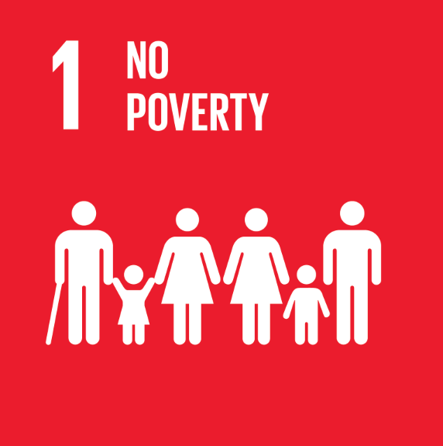 | ODD 1 | 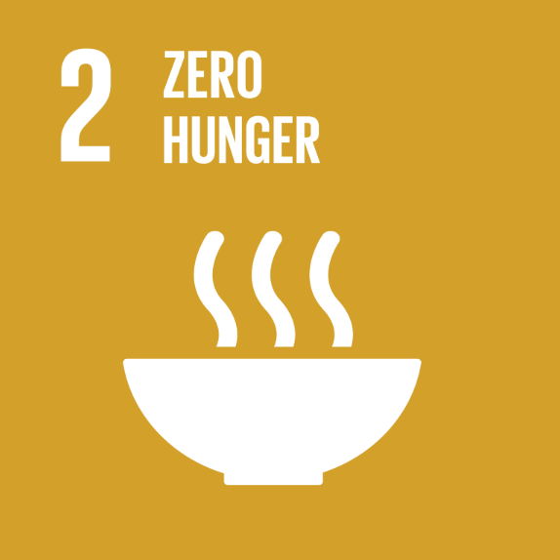 ODD 2 |  | 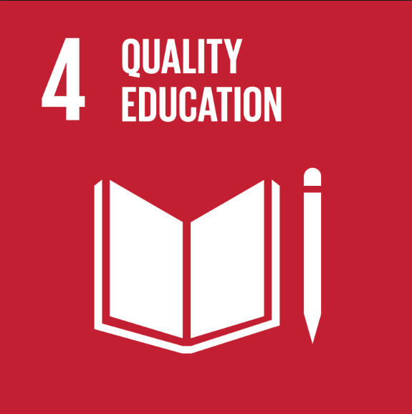 ODD 4 | 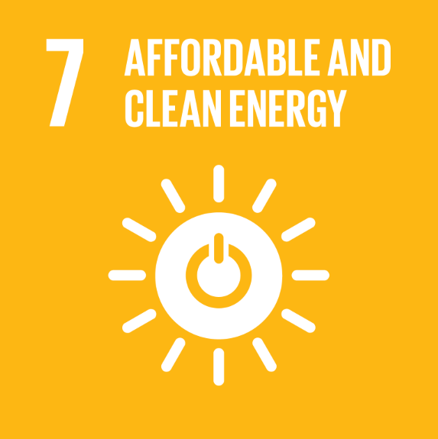 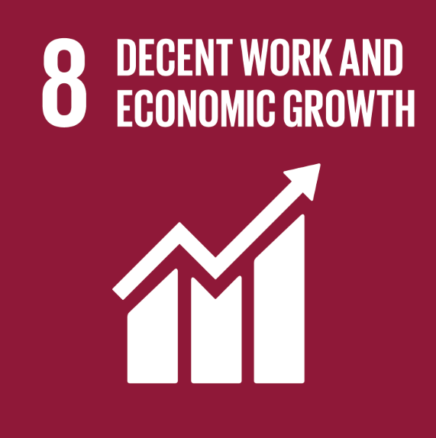 ODD 7 | 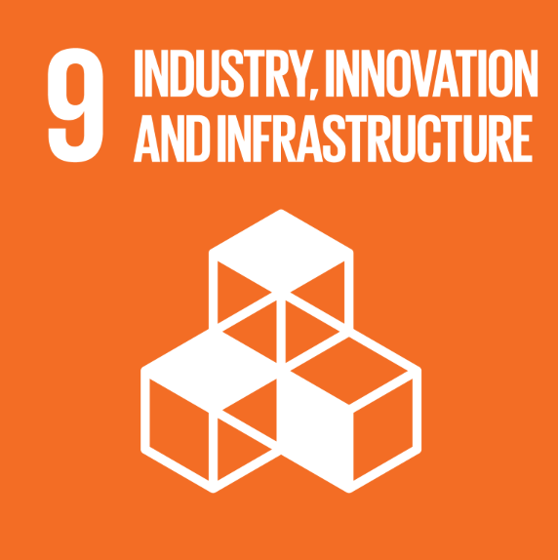 ODD 8 | ODD 9 | 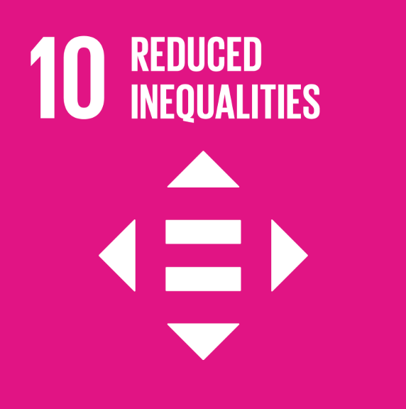 ODD 10 | 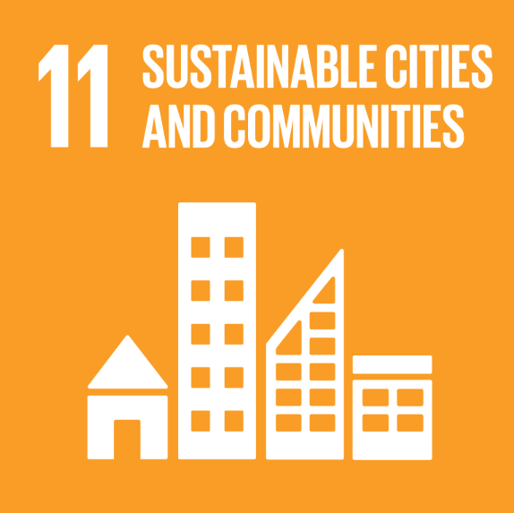 ODD 11 | 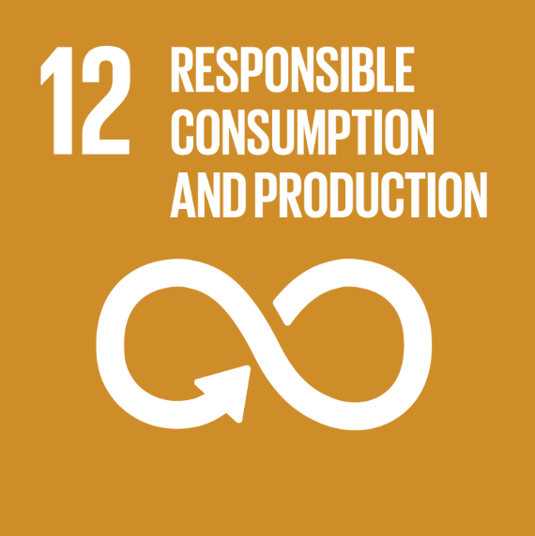 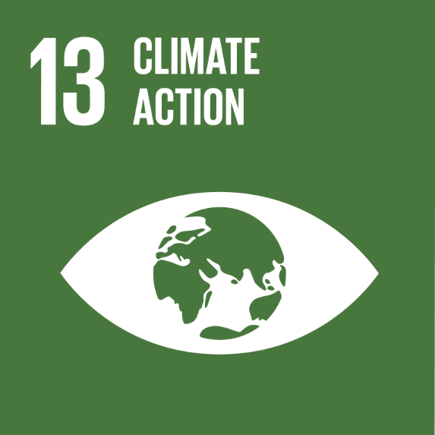 ODD 12 |  | 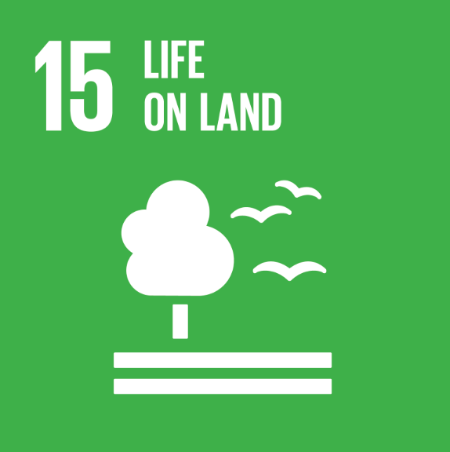 ODD 15
Amount | 2,312.2 | 8.5 | 115.6 | 25.3 | 2,385.4 | 423.8 | 980.6 | 2,826.3 | 4,580.8 | 8.5 | 2,385.4 | 133.5
FR0014003RL9 SB May 2021 | 2.1 | 0.0 | 19.3 | 2.1 | 557.7 | 123.5 | 131.0 | 142.8 | 546.8 | 0.0 | 557.7 | 0.0
FR001400DCH4 SB October 2022 | 1.9 | 0.9 | 24.8 | 1.9 | 286.2 | 122.5 | 213.3 | 147.4 | 240.0 | 0.9 | 286.2 | 75.9
FR001400I3M4 SB May 2023 | 21.3 | 7.7 | 9.3 | 21.3 | 159.7 | 152.7 | 254.3 | 162.0 | 251.1 | 7.7 | 159.7 | 57.7
FR001400LFC1 SB October 2023 | 406.1 | 0.0 | 11.0 | 0.0 | 130.1 | 25.1 | 25.1 | 442.2 | 536.2 | 0.0 | 130.1 | 0.0
FR001400PU76 SB April 2024 | 492.3 | 0.0 | 51.1 | 0.0 | 540.8 | 0.0 | 183.4 | 543.3 | 1,087.8 | 0.0 | 540.8 | 0.0
FR0014013G74 SB October 2025 | 1,388.5 | 0.0 | 0.0 | 0.0 | 710.9 | 0.0 | 173.5 | 1,388.5 | 1,918.9 | 0.0 | 710.9 | 0.0
Infrastructure for production and storage of green energy
Green real estate |  |  |  |  | 1 |  |  |  | 1 |  | 1
Sustainable transport and mobility
...

